Sheet1
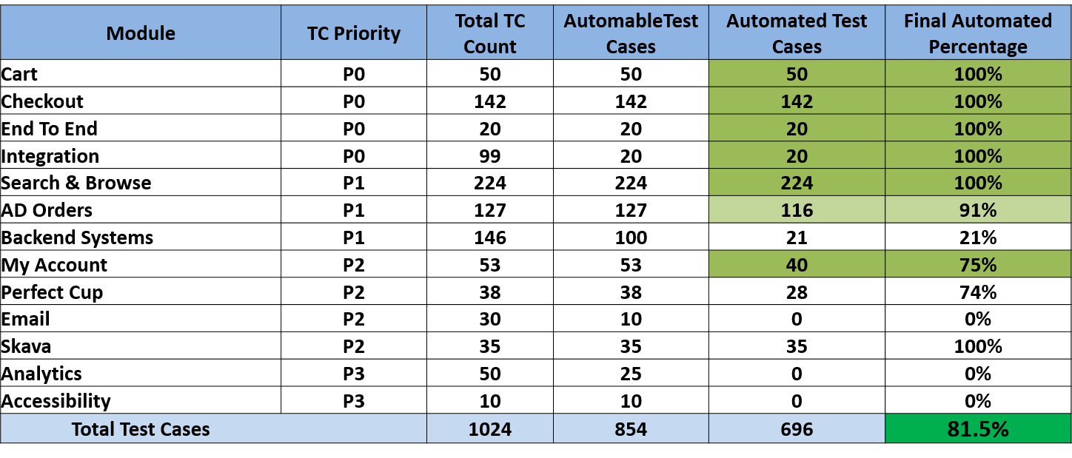
 | Test Case Count
 | Anshuman Data | Achin

 | 29 | 34
 | 49 | 67
 | 0 | 20
 | 20 | 0
 | 95 | 57
Scheduled Order | 69 | 30
 |  | 28
 |  | 13
 |  | 10

 | 6 | 35

 | 268 | 294
 | 562

 | 138

